FHanna
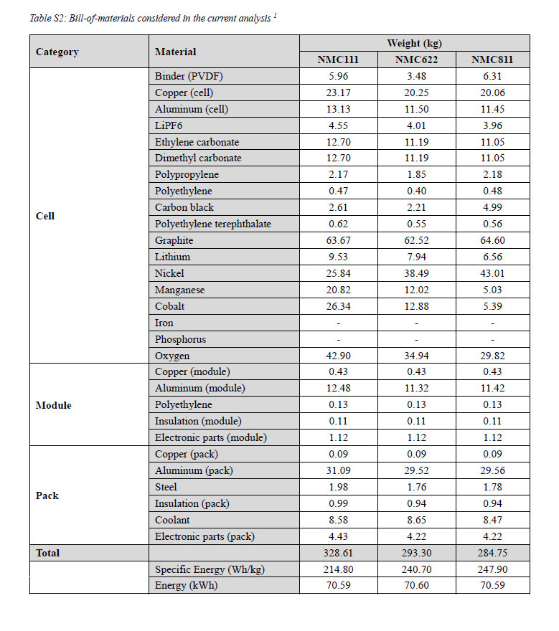
Category | Material | NMC811 |  |  | Item | BEV_NMC811
Cell | Binder (PVDF) | 6.31 | 2% |  | Active cathode material | 89.81 | 59.99 | 89.81
Cell | Copper (cell) | 20.06 | 4% |  | Carbon black | 4.99
Cell | Aluminum (cell) | 11.45 | 2% |  | Graphite | 64.6
Cell | LiPF6 | 3.96 | 1% |  | Binder (PVDF) | 6.31
Cell | Ethylene carbonate | 11.05 | 2% |  | Copper | 20.06
Cell | Dimethyl carbonate | 11.05 | 2% |  | Aluminum | 11.45
Cell | Polypropylene | 2.18 | 0% |  | Electrolyte: LiPF6 | 3.96
Cell | Polyethylene | 0.48 | 0% |  | Electrolyte: Ethylene Carbonate | 11.05
Cell | Carbon black | 4.99 | 1% |  | Electrolyte: Dimethyl Carbonate | 11.05
Cell | Polyethylene terephthalate | 0.56 | 0% |  | Plastic: Polypropylene | 2.18
Cell | Graphite | 64.6 | 12% |  | Plastic: Polyethylene | 0.48
Cell | Lithium | 6.56 | 1% |  | Plastic: Polyethylene Terephthalate | 0.56
Cell | Nickel | 43.01 | 9% |  | Subtotal: Cell | 226.49
Cell | Manganese | 5.03 | 1% |  | Copper | 0.43
Cell | Cobalt | 5.39 | 1% |  | Aluminum | 11.42
Cell | Iron | - |  |  | Plastic: Polyethylene | 0.13
Cell | Phosphorus | - |  |  | Insulation | 0.11
Cell | Oxygen | 29.82 | 7% |  | Electronic part | 1.12
Module | Copper (module) | 0.43 | 0% |  | Subtotal: Module sans cell | 13.2
Module | Aluminum (module) | 11.42 | 3% |  | Copper | 0.09
Module | Polyethylene | 0.13 | 0% |  | Aluminum | 29.56
Module | Insulation (module) | 0.11 | 0% |  | Steel | 1.78
Module | Electronic parts (module) | 1.12 | 0% |  | Insulation | 0.94
Pack | Copper (pack) | 0.09 | 0% |  | Coolant | 8.47
Pack | Aluminum (pack) | 29.56 | 8% |  | Electronic part | 4.22
Pack | Steel | 1.78 | 1% |  | Subtotal: Pack sans module | 45.06
Pack | Insulation (pack) | 0.94 | 0% |  | Total: Pack | 284.75
Pack | Coolant | 8.47 | 3%
Pack | Electronic parts (pack) | 4.22 | 1%
Total | Specific Energy (Wh/kg) | 247.9 |  | 284.77
Total | Energy (kWh) | 70.59

